Bottle Fill Chart

Bottle fill chart

 |  |  |  |  |  |  |  |  |  |  |  | Chemical area coverage analyzer(RTU Gallons)

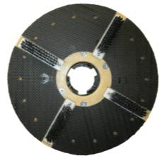
 |  |  |  |  |  |  |  |  |  |  |  | • Enter total amount of square footage you will be covering |  |  |  |  | 10000
 |  | •Enter bottle size | 128 |  |  |  |  | Dilution Ratio Chart
 |  | • Enter dilution ratio | 4 |  |  |  |  | 1 to 1 | 128oz per gallon of water |  |  | • Enter average amount of coverage chemical covers per |  |  |  |  | 2000
 |  |  | 4.00 | oz of solution into a size of |  |  |  | 1 to 2 | 64oz per gallon of water |  |  | gallon (ready to use product).
 |  |  |  |  |  |  |  | 1 to 3 | 43oz per gallon of water
---128oz
 |  | • Enter ratio by parts | 1 |  |  |  |  | 1 to 4 | 32oz per gallon of water |  |  | This is how many gallons you will need to cover the area. |  |  |  |  | 5.00
 |  | • Enter ratio by 2 part | 32 |  |  |  |  | 1 to 5 | 26oz per gallon of water
 |  |  | 4 | oz of solution per gallon of water |  |  |  | 1 to 6 | 21 oz per gallon of water
 | 1 gallon |  |  |  |  |  |  | 1 to 7 | 18oz per gallon of water |  |  | Have to dilute to find out how many gallons you need?
 |  | Need to convert it to ounce/oz? |  |  |  |  |  | 1 to 8 | 16oz per gallon of water
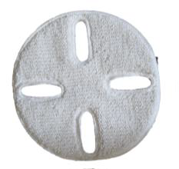
 |  | What is it ?- conversion kit |  |  |  |  |  | 1 to 9 | 14oz per gallon of water |  |  | • Enter ratio per gallon of water recommended by manufacture |  |  |  |  | 4
 |  |  |  |  |  |  |  | 1 to 10 | 13oz per gallon of water |  |  | (Example 10oz per gallon of water. Enter 10, etc) |  |  |  |  | 128
 |  | • Enter in gallons | oz ? | liter ? | qts ? | lbs ? |  | 1 to 15 | 8.5oz per gallon of water
 |  | 1 | 128 | 3.79 | 4 | 8.78 |  | 1 to 20 | 6.5oz per gallon of water |  |  | Total gallons ready to use chemical you will get from concentrated |  |  |  |  | 32.00
 |  |  |  |  |  |  |  | 1 to 25 | 5oz per gallon of water |  |  | a gallon of chemical.
 |  | • Enter in ozs | gallons ? | liters ? | qts ? | lbs ? |  | 1 to 32 | 4oz per gallon of water
 |  | 128 | 1 | 0.029609375 | 4 | 8.7791495199 |  | 1 to 40 | 3oz per gallon of water |  |  | • Enter average amount of coverage ready to use chemical |  |  |  |  | 2000
---64oz
 |  |  |  |  |  |  |  | 1 to 50 | 2.5oz per gallon of water |  |  | will cover per gallon.
 |  | • Enter in cups | oz ? | liters | qts ? | gallons ? |  | 1 to 60 | 2oz per gallon of water
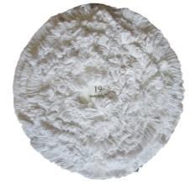
 |  | 1 | 8 | 0.24 | 0.25 | 0.06 |  | 1 to 80 | 1.8oz per gallon of water |  |  | This is total square footage you will get with this |  |  |  |  | 64000.00
 |  |  |  |  |  |  |  | 1 to 100 | 1.3oz per gallon of water |  |  | concentrated one gallon of chemical.
 | 1/2 gallon | • Enter in liters | oz ? | gallons ? | qts ? | cups ? |  | 1 to 128 | 1oz per gallon of water
 |  | 1 | 33.81 | 0.26 | 1.06 | 4.23 |  |  |  |  |  | • Enter how many square footage you need to cover |  |  |  |  | 5000
---32oz
 |  |  |  |  |  |  |  | Simple chart of table of equivalents
 |  |  |  |  |  |  |  | 1 gallon | 128oz | 3 lbs | 8 oz-1 cup
 |  | What is actual cost of my solution after dilution? |  |  |  |  |  | 1 qt | 32oz | 2 lbs | 16oz-2 cups | This is amount of gallon of concentrated chemical you need |  |  |  |  | 0.08
 | 1 qt | Chemical cost analyzer |  |  |  |  |  | 1 pt | 16oz | 1 lbs | 24oz-3 cups |  | Simple Calculator
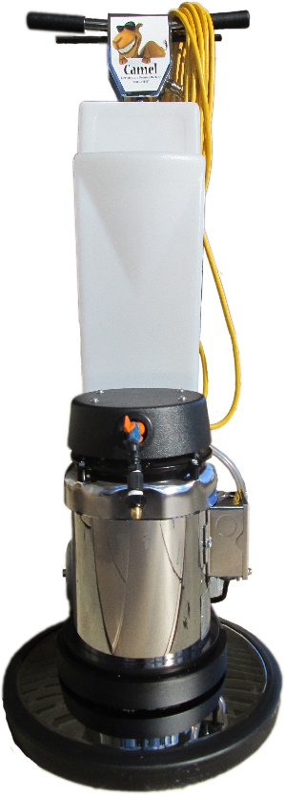
 |  |  |  |  |  |  |  | 1 t.spoon | 1/2oz |  |  |  | 10 | + | 10 | 20
 |  | • Enter total price paid per container, |  |  |  | $ | 16.75 | 1 liter | 33.81oz |  |  |  | 5 | - | 2 | 3
---24oz
 |  |  |  |  |  |  |  |  |  |  |  |  | 5 | X | 5 | 25
 |  | • Enter the size of chemical container, (only by gallons), |  |  |  |  | 1 |  |  |  |  |  | 20 | / | 5 | 4
---16oz
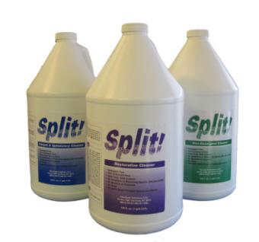
 |  | For example 55 gal drum- enter 55, or 5 gal pail- 5, 1 gal-1, |  |  |  |  |  |  |  |  |  |  | 25 | % | 20 | 5
 |  | Your price per gallon is…. |  |  |  | $ | 16.75
 | 1 pt, 1 lb |  |  |  |  |  |  |  |  |  |  |  |  | Total: |  | 57

---8oz
--2oz
---1oz
 | 1/2 pt, 1/2 lb |  |  |  |  |  |  |  |  |  |  |  | 0 | + | 0 | 0
 |  | • Enter the dilution ratio you will be using per oz per gallon |  |  |  |  | 4 |  |  |  |  |  | 0 | - | 0 | 0
 |  |  |  |  |  |  | 0.03125 |  |  |  |  |  | 0 | X | 0 | 0
---
 |  | Your ready to use one gallon product cost is: |  |  |  | $ | 0.52 |  |  |  |  |  | 0 | / | 1 | 0
 |  |  |  |  |  |  |  |  |  |  |  |  | 0 | % | 0 | 0

 |  |  |  |  |  |  |  |  |  |  |  |  |  |  | Total: | 0

 |  |  |  |  |  |  |  |  |  |  |  |  |  |  | Grand Total: | 57

Usage Notes for this calculator:
These are simple calculations.
The left side calculations are to help clarify measurements.
The right side calculations are to clarify your costs when specifying a job.
Split! Green - Split! Non-detergent Cleaner - This is Your All Purpose Cleaner.
Split! Green - Mop or auto scrub 2 to 4 ounces per gallon.
Split! Green - Spray and wipe in a quart bottle 12 to 16 oz per gallon or 3 to 4 ounces per quart.
Split! Purple - Split! Restorative Cleaner - this for for deep cleaning to bring back surfaces to their original condition.
Split! Purple - For most restorative cleaning situations, use 12 to 16 ounces per gallon.
Split! Purple - Spray and wipe use 16 ounces per gallon or 4 ounces per quart bottle.
Split! Blue - Carpet and Upholstery - Use as the prespray - 12 to 16 ounces per gallon. Extract with water.
Split! Blue - Carpet and Upholstery - Spot clean and upholstery 12 to 16 ounces per gallon - 3 to 4 onunces per quart.

Note - Split! will dramatically improve your facilities level of clean allowing you to to much less if no more restorative cleaning.
This will save time and money!
Typically - customers reduce carpet cleaning frequencies to 4 times less.
Typically - once a grouted bathroom has been restored with Split!, only standard daily cleaning is needed after that.
Typically - horizontal and vertical surfaces cleaned with Split! stay cleaner longer wiithout the residue typically left on those surfaces that attract biofilm faster.
(This includes stainless steel and glass surfaces.)

